C7.1
Back to contents
 | Chart 7.1: Public sector net borrowing: historical outturn and recent forecasts

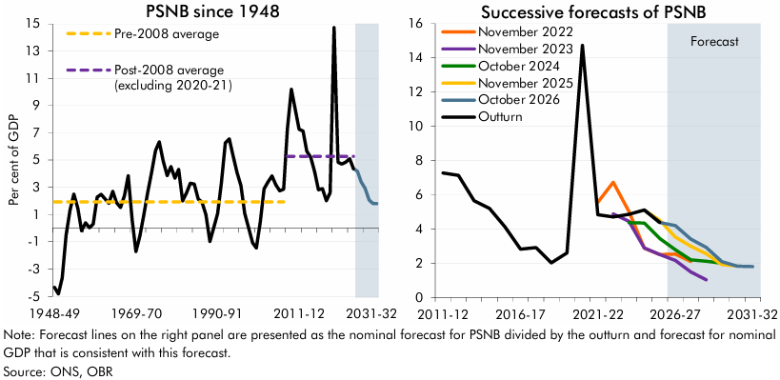

 | Public sector net borrowing since 1948 | Outturn | October 2026 forecast | Pre-2008 average | Post-2008 average (excluding 2020-21) | Successive forecasts of Public sector net borrowing | Outturn | November 2022 forecast | November 2023 forecast | October 2024 forecast | November 2025 forecast | October 2026 forecast
 | 1948-49 | -4.3 |  | 1.9 |  | 2011-12 | 7.3
 | 1949-50 | -4.8 |  | 1.9 |  | 2012-13 | 7.1
 | 1950-51 | -3.7 |  | 1.9 |  | 2013-14 | 5.7
 | 1951-52 | -0.5 |  | 1.9 |  | 2014-15 | 5.2
 | 1952-53 | 1.3 |  | 1.9 |  | 2015-16 | 4.1
 | 1953-54 | 2.5 |  | 1.9 |  | 2016-17 | 2.8
 | 1954-55 | 1.5 |  | 1.9 |  | 2017-18 | 2.9
 | 1955-56 | -0.2 |  | 1.9 |  | 2018-19 | 2.0
 | 1956-57 | 0.4 |  | 1.9 |  | 2019-20 | 2.6
 | 1957-58 | 0.0 |  | 1.9 |  | 2020-21 | 14.7
 | 1958-59 | 0.3 |  | 1.9 |  | 2021-22 | 4.8 | 5.6
 | 1959-60 | 2.3 |  | 1.9 |  | 2022-23 | 4.7 | 6.7 | 4.9
 | 1960-61 | 2.5 |  | 1.9 |  | 2023-24 | 4.8 | 5.0 | 4.4 | 4.4
 | 1961-62 | 2.2 |  | 1.9 |  | 2024-25 | 5.1 | 2.9 | 2.9 | 4.3 | 5.1
 | 1962-63 | 1.8 |  | 1.9 |  | 2025-26 | 4.4 | 2.5 | 2.5 | 3.4 | 4.5 | 4.4
 | 1963-64 | 2.7 |  | 1.9 |  | 2026-27 |  | 2.5 | 2.2 | 2.8 | 3.5 | 4.2
 | 1964-65 | 1.9 |  | 1.9 |  | 2027-28 |  | 2.1 | 1.5 | 2.2 | 3.0 | 3.4
 | 1965-66 | 1.5 |  | 1.9 |  | 2028-29 |  |  | 1.0 | 2.1 | 2.5 | 2.9
 | 1966-67 | 2.4 |  | 1.9 |  | 2029-30 |  |  |  | 2.0 | 1.9 | 2.1
 | 1967-68 | 3.8 |  | 1.9 |  | 2030-31 |  |  |  |  | 1.8 | 1.8
 | 1968-69 | 0.6 |  | 1.9 |  | 2031-32 |  |  |  |  |  | 1.8
 | 1969-70 | -1.7 |  | 1.9
 | 1970-71 | -0.6 |  | 1.9
 | 1971-72 | 1.0 |  | 1.9
 | 1972-73 | 2.6 |  | 1.9
 | 1973-74 | 4.1 |  | 1.9
 | 1974-75 | 5.7 |  | 1.9
 | 1975-76 | 6.3 |  | 1.9
 | 1976-77 | 4.9 |  | 1.9
 | 1977-78 | 3.9 |  | 1.9
 | 1978-79 | 4.5 |  | 1.9
 | 1979-80 | 3.7 |  | 1.9
 | 1980-81 | 4.3 |  | 1.9
 | 1981-82 | 2.0 |  | 1.9
 | 1982-83 | 2.6 |  | 1.9
 | 1983-84 | 3.3 |  | 1.9
 | 1984-85 | 3.2 |  | 1.9
 | 1985-86 | 2.1 |  | 1.9
 | 1986-87 | 1.9 |  | 1.9
 | 1987-88 | 1.0 |  | 1.9
 | 1988-89 | -1.0 |  | 1.9
 | 1989-90 | 0.0 |  | 1.9
 | 1990-91 | 1.1 |  | 1.9
 | 1991-92 | 3.3 |  | 1.9
 | 1992-93 | 6.3 |  | 1.9
 | 1993-94 | 6.6 |  | 1.9
 | 1994-95 | 5.3 |  | 1.9
 | 1995-96 | 4.1 |  | 1.9
 | 1996-97 | 3.1 |  | 1.9
 | 1997-98 | 1.1 |  | 1.9
 | 1998-99 | 0.0 |  | 1.9
 | 1999-00 | -1.1 |  | 1.9
 | 2000-01 | -1.5 |  | 1.9
 | 2001-02 | 0.5 |  | 1.9
 | 2002-03 | 2.9 |  | 1.9
 | 2003-04 | 3.4 |  | 1.9
 | 2004-05 | 3.8 |  | 1.9
 | 2005-06 | 3.2 |  | 1.9
 | 2006-07 | 2.7 |  | 1.9
 | 2007-08 | 2.9 |  | 1.9
 | 2008-09 | 7.3 |  |  | 5.3
 | 2009-10 | 10.2 |  |  | 5.3
 | 2010-11 | 8.7 |  |  | 5.3
 | 2011-12 | 7.3 |  |  | 5.3
 | 2012-13 | 7.1 |  |  | 5.3
 | 2013-14 | 5.7 |  |  | 5.3
 | 2014-15 | 5.2 |  |  | 5.3
 | 2015-16 | 4.1 |  |  | 5.3
 | 2016-17 | 2.8 |  |  | 5.3
 | 2017-18 | 2.9 |  |  | 5.3
 | 2018-19 | 2.0 |  |  | 5.3
 | 2019-20 | 2.6 |  |  | 5.3
 | 2020-21 | 14.7 |  |  | 5.3
 | 2021-22 | 4.8 |  |  | 5.3
 | 2022-23 | 4.7 |  |  | 5.3
 | 2023-24 | 4.8 |  |  | 5.3
 | 2024-25 | 5.1 |  |  | 5.3
 | 2025-26 | 4.4 |  |  | 5.3
 | 2026-27 |  | 4.2
 | 2027-28 |  | 3.4
 | 2028-29 |  | 2.9
 | 2029-30 |  | 2.1
 | 2030-31 |  | 1.8
 | 2031-32 |  | 1.8

C7.2
Back to contents
 | Chart 7.2: Underlying public sector net debt: historical outturn and recent forecasts
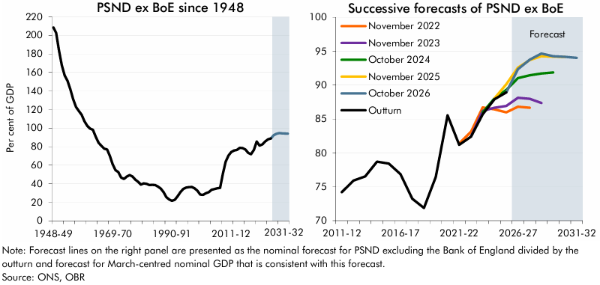

 | Public sector net debt ex Bank of England since 1948 | Outturn | October 2026 forecast | Successive forecasts of public sector net debt ex Bank of England | Outturn | November 2022 forecast | November 2023 forecast | October 2024 forecast | November 2025 forecast | October 2026 forecast
 | 1948-49 | 208.4 |  | 2011-12 | 74.2
 | 1949-50 | 202.7 |  | 2012-13 | 75.9
 | 1950-51 | 183.7 |  | 2013-14 | 76.5
 | 1951-52 | 167.6 |  | 2014-15 | 78.7
 | 1952-53 | 156.8 |  | 2015-16 | 78.4
 | 1953-54 | 151.0 |  | 2016-17 | 76.8
 | 1954-55 | 141.8 |  | 2017-18 | 73.2
 | 1955-56 | 131.0 |  | 2018-19 | 71.9
 | 1956-57 | 122.7 |  | 2019-20 | 76.4
 | 1957-58 | 118.4 |  | 2020-21 | 85.5
 | 1958-59 | 114.3 |  | 2021-22 | 81.2 | 81.4
 | 1959-60 | 107.5 |  | 2022-23 | 82.4 | 83.1 | 82.4
 | 1960-61 | 102.4 |  | 2023-24 | 85.7 | 86.7 | 86.2 | 86.0
 | 1961-62 | 99.4 |  | 2024-25 | 87.9 | 86.4 | 86.7 | 88.0 | 88.1
 | 1962-63 | 98.2 |  | 2025-26 | 88.9 | 86.0 | 86.9 | 89.3 | 90.1 | 88.9
 | 1963-64 | 90.7 |  | 2026-27 |  | 86.8 | 88.1 | 91.0 | 92.6 | 92.4
 | 1964-65 | 84.2 |  | 2027-28 |  | 86.7 | 88.0 | 91.4 | 93.7 | 93.8
 | 1965-66 | 80.9 |  | 2028-29 |  |  | 87.4 | 91.7 | 94.3 | 94.7
 | 1966-67 | 77.7 |  | 2029-30 |  |  |  | 91.9 | 94.2 | 94.3
 | 1967-68 | 77.0 |  | 2030-31 |  |  |  |  | 94.1 | 94.2
 | 1968-69 | 69.8 |  | 2031-32 |  |  |  |  |  | 94.0
 | 1969-70 | 61.1
 | 1970-71 | 54.7
 | 1971-72 | 52.6
 | 1972-73 | 46.6
 | 1973-74 | 45.2
 | 1974-75 | 47.7
 | 1975-76 | 49.3
 | 1976-77 | 47.8
 | 1977-78 | 44.3
 | 1978-79 | 42.2
 | 1979-80 | 39.1
 | 1980-81 | 40.3
 | 1981-82 | 40.0
 | 1982-83 | 38.6
 | 1983-84 | 38.8
 | 1984-85 | 38.6
 | 1985-86 | 37.0
 | 1986-87 | 34.8
 | 1987-88 | 30.9
 | 1988-89 | 25.6
 | 1989-90 | 23.0
 | 1990-91 | 21.6
 | 1991-92 | 22.8
 | 1992-93 | 26.6
 | 1993-94 | 31.0
 | 1994-95 | 34.4
 | 1995-96 | 35.9
 | 1996-97 | 36.4
 | 1997-98 | 36.5
 | 1998-99 | 35.1
 | 1999-00 | 32.5
 | 2000-01 | 28.3
 | 2001-02 | 28.1
 | 2002-03 | 29.8
 | 2003-04 | 30.9
 | 2004-05 | 33.5
 | 2005-06 | 34.3
 | 2006-07 | 35.1
 | 2007-08 | 35.6
 | 2008-09 | 50.3
 | 2009-10 | 63.6
 | 2010-11 | 70.3
 | 2011-12 | 74.2
 | 2012-13 | 75.9
 | 2013-14 | 76.5
 | 2014-15 | 78.7
 | 2015-16 | 78.4
 | 2016-17 | 76.8
 | 2017-18 | 73.2
 | 2018-19 | 71.9
 | 2019-20 | 76.4
 | 2020-21 | 85.5
 | 2021-22 | 81.2
 | 2022-23 | 82.4
 | 2023-24 | 85.7
 | 2024-25 | 87.9
 | 2025-26 | 88.9
 | 2026-27 |  | 92.4
 | 2027-28 |  | 93.8
 | 2028-29 |  | 94.7
 | 2029-30 |  | 94.3
 | 2030-31 |  | 94.2
 | 2031-32 |  | 94.0

C7.3
Back to contents
 | Chart 7.3: General government net borrowing and net debt in advanced economies

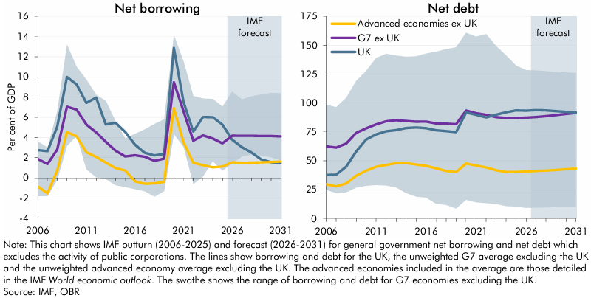

 | General government net borrowing | UK | G7 ex UK average | Advanced economies ex UK average | G7 ex UK minimum | G7 ex UK maximum | General government net debt | UK | G7 ex UK average | Advanced economies ex UK average | G7 ex UK minimum | G7 ex UK maximum
 | 2006 | 2.7 | 1.9 | -0.9 | -1.8 | 3.6 | 2006 | 37.7 | 62.5 | 29.7 | 25.0 | 98.6
 | 2007 | 2.6 | 1.4 | -1.5 | -1.8 | 3.0 | 2007 | 38.0 | 61.4 | 27.8 | 22.1 | 96.3
 | 2008 | 5.1 | 2.8 | 0.7 | -0.2 | 6.6 | 2008 | 44.9 | 64.9 | 30.4 | 22.8 | 104.5
 | 2009 | 10.0 | 7.0 | 4.5 | 3.2 | 13.2 | 2009 | 57.9 | 74.1 | 37.1 | 26.9 | 119.2
 | 2010 | 9.3 | 6.8 | 4.1 | 4.2 | 11.0 | 2010 | 68.5 | 78.1 | 41.4 | 28.4 | 127.7
 | 2011 | 7.4 | 5.3 | 2.5 | 0.8 | 9.7 | 2011 | 72.9 | 81.5 | 44.9 | 29.0 | 138.9
 | 2012 | 8.0 | 4.5 | 2.1 | 0.1 | 8.2 | 2012 | 75.6 | 84.2 | 46.5 | 28.6 | 142.6
 | 2013 | 5.3 | 3.6 | 1.5 | -0.1 | 7.6 | 2013 | 76.6 | 85.1 | 47.9 | 27.0 | 141.1
 | 2014 | 5.5 | 2.7 | 1.0 | -0.7 | 5.6 | 2014 | 78.3 | 84.5 | 48.1 | 22.1 | 140.1
 | 2015 | 4.5 | 2.1 | 0.7 | -0.9 | 3.9 | 2015 | 78.8 | 83.9 | 46.7 | 18.9 | 140.4
 | 2016 | 3.3 | 2.2 | -0.3 | -1.1 | 4.4 | 2016 | 78.3 | 84.0 | 45.6 | 18.2 | 142.9
 | 2017 | 2.5 | 2.1 | -0.6 | -1.3 | 4.8 | 2017 | 76.5 | 82.2 | 43.4 | 12.8 | 144.3
 | 2018 | 2.2 | 1.7 | -0.5 | -1.9 | 5.3 | 2018 | 75.7 | 82.2 | 41.2 | 11.8 | 146.7
 | 2019 | 2.4 | 1.9 | -0.4 | -1.3 | 5.8 | 2019 | 74.8 | 81.7 | 40.3 | 8.7 | 148.2
 | 2020 | 12.9 | 9.5 | 6.9 | 4.3 | 14.1 | 2020 | 91.9 | 93.5 | 47.6 | 16.2 | 160.8
 | 2021 | 7.5 | 6.6 | 3.5 | 3.1 | 11.5 | 2021 | 89.8 | 91.2 | 45.8 | 14.1 | 157.5
 | 2022 | 4.6 | 3.7 | 1.5 | -0.6 | 8.1 | 2022 | 87.6 | 89.8 | 44.3 | 13.3 | 159.7
 | 2023 | 6.0 | 4.2 | 1.2 | 0.2 | 7.9 | 2023 | 89.9 | 87.7 | 41.8 | 12.7 | 149.3
 | 2024 | 6.0 | 3.9 | 1.0 | 1.7 | 7.8 | 2024 | 92.0 | 87.1 | 40.3 | 10.8 | 141.1
 | 2025 | 5.3 | 3.4 | 1.1 | 0.7 | 7.1 | 2025 | 93.6 | 87.1 | 40.2 | 10.4 | 132.4
 | 2026 | 3.8 | 4.2 | 1.5 | 1.4 | 8.5 | 2026 | 93.4 | 87.3 | 40.8 | 9.3 | 128.5
 | 2027 | 3.0 | 4.2 | 1.5 | 2.1 | 7.8 | 2027 | 93.8 | 87.9 | 41.1 | 9.6 | 128.2
 | 2028 | 2.5 | 4.2 | 1.5 | 2.3 | 8.1 | 2028 | 93.7 | 88.7 | 41.5 | 9.7 | 127.6
 | 2029 | 1.8 | 4.2 | 1.5 | 2.2 | 8.3 | 2029 | 93.0 | 89.5 | 42.1 | 10.0 | 126.8
 | 2030 | 1.5 | 4.1 | 1.6 | 2.0 | 8.4 | 2030 | 92.4 | 90.5 | 42.7 | 10.2 | 126.4
 | 2031 | 1.4 | 4.1 | 1.6 | 1.7 | 8.4 | 2031 | 91.7 | 91.5 | 43.2 | 10.2 | 126.2

C7.4
Back to contents
 | Chart 7.4: Long-term debt scenarios: 2026 Fiscal risks and sustainability report

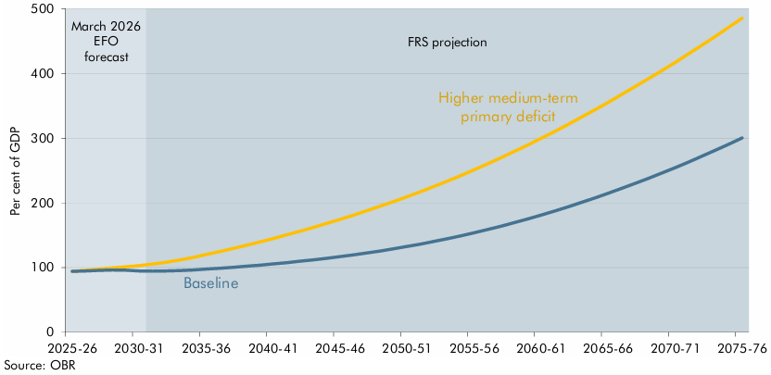

 |  | Baseline | Higher medium-term primary deficit
 | 2025-26 | 94.3 | 94.3
 | 2026-27 | 94.8 | 96.1
 | 2027-28 | 95.7 | 97.9
 | 2028-29 | 96.3 | 99.8
 | 2029-30 | 96.1 | 101.5
 | 2030-31 | 95.1 | 103.1
 | 2031-32 | 94.8 | 105.4
 | 2032-33 | 94.8 | 108.3
 | 2033-34 | 95.4 | 111.7
 | 2034-35 | 96.4 | 115.8
 | 2035-36 | 97.8 | 120.3
 | 2036-37 | 99.1 | 124.9
 | 2037-38 | 100.7 | 129.6
 | 2038-39 | 102.2 | 134.5
 | 2039-40 | 103.9 | 139.7
 | 2040-41 | 105.8 | 145.1
 | 2041-42 | 107.8 | 150.7
 | 2042-43 | 109.9 | 156.4
 | 2043-44 | 112.2 | 162.4
 | 2044-45 | 114.6 | 168.5
 | 2045-46 | 117.1 | 174.8
 | 2046-47 | 119.8 | 181.3
 | 2047-48 | 122.7 | 188.0
 | 2048-49 | 125.9 | 195.0
 | 2049-50 | 129.2 | 202.3
 | 2050-51 | 132.8 | 209.8
 | 2051-52 | 136.5 | 217.5
 | 2052-53 | 140.5 | 225.5
 | 2053-54 | 144.7 | 233.8
 | 2054-55 | 149.1 | 242.4
 | 2055-56 | 153.9 | 251.2
 | 2056-57 | 158.9 | 260.4
 | 2057-58 | 164.1 | 269.9
 | 2058-59 | 169.6 | 279.6
 | 2059-60 | 175.3 | 289.6
 | 2060-61 | 181.2 | 299.8
 | 2061-62 | 187.4 | 310.3
 | 2062-63 | 193.9 | 321.2
 | 2063-64 | 200.7 | 332.4
 | 2064-65 | 207.7 | 343.8
 | 2065-66 | 214.9 | 355.5
 | 2066-67 | 222.4 | 367.4
 | 2067-68 | 230.1 | 379.6
 | 2068-69 | 237.9 | 391.8
 | 2069-70 | 246.1 | 404.3
 | 2070-71 | 254.4 | 417.1
 | 2071-72 | 263.1 | 430.2
 | 2072-73 | 272.2 | 443.7
 | 2073-74 | 281.4 | 457.3
 | 2074-75 | 290.7 | 471.2
 | 2075-76 | 300.4 | 485.6

C7.5
Back to contents
 | Chart 7.5: Fan charts for the current budget deficit and PSNFL

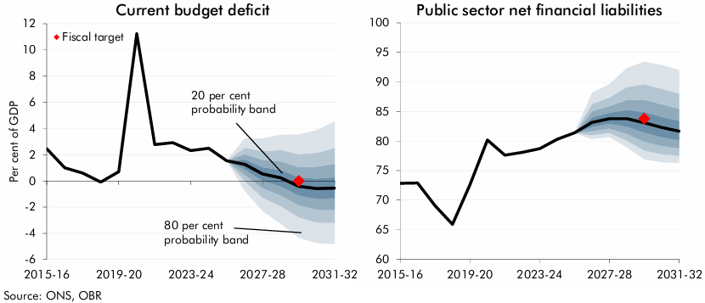

 | Curent budget deficit | October 2026 forecast | Percentile |  |  |  |  |  |  |  |  | Public sector net financial liabilities | October 2026 forecast | Percentile
 |  |  | 10 | 20 | 30 | 40 | 50 | 60 | 70 | 80 | 90 |  |  | 10 | 20 | 30 | 40 | 50 | 60 | 70 | 80 | 90
 | 2015-16 | 2.5 |  |  |  |  |  |  |  |  |  | 2015-16 | 72.8
 | 2016-17 | 1.0 |  |  |  |  |  |  |  |  |  | 2016-17 | 72.9
 | 2017-18 | 0.6 |  |  |  |  |  |  |  |  |  | 2017-18 | 69.1
 | 2018-19 | -0.1 |  |  |  |  |  |  |  |  |  | 2018-19 | 65.9
 | 2019-20 | 0.7 |  |  |  |  |  |  |  |  |  | 2019-20 | 72.6
 | 2020-21 | 11.2 |  |  |  |  |  |  |  |  |  | 2020-21 | 80.2
 | 2021-22 | 2.8 |  |  |  |  |  |  |  |  |  | 2021-22 | 77.6
 | 2022-23 | 2.9 |  |  |  |  |  |  |  |  |  | 2022-23 | 78.1
 | 2023-24 | 2.3 |  |  |  |  |  |  |  |  |  | 2023-24 | 78.7
 | 2024-25 | 2.5 |  |  |  |  |  |  |  |  |  | 2024-25 | 80.3
 | 2025-26 | 1.5 |  |  |  |  |  |  |  |  |  | 2025-26 | 81.4
 | 2026-27 | 1.3 | -0.8 | 0.0 | 0.5 | 0.9 | 1.3 | 1.6 | 2.0 | 2.5 | 3.3 | 2026-27 | 83.2 | 80.3 | 81.0 | 81.7 | 82.4 | 83.2 | 84.0 | 85.0 | 86.3 | 88.2
 | 2027-28 | 0.5 | -2.3 | -1.3 | -0.6 | 0.0 | 0.5 | 1.0 | 1.6 | 2.3 | 3.2 | 2027-28 | 83.8 | 80.7 | 81.4 | 82.1 | 82.9 | 83.8 | 84.8 | 85.9 | 87.4 | 89.6
 | 2028-29 | 0.2 | -3.3 | -1.9 | -1.1 | -0.4 | 0.2 | 0.8 | 1.5 | 2.4 | 3.5 | 2028-29 | 83.8 | 78.9 | 80.1 | 81.2 | 82.4 | 83.8 | 85.2 | 87.0 | 89.1 | 92.3
 | 2029-30 | -0.4 | -4.3 | -2.8 | -1.9 | -1.1 | -0.4 | 0.3 | 1.1 | 2.0 | 3.5 | 2029-30 | 83.1 | 76.9 | 78.4 | 79.9 | 81.4 | 83.1 | 84.9 | 87.0 | 89.6 | 93.4
 | 2030-31 | -0.6 | -4.7 | -3.2 | -2.2 | -1.4 | -0.6 | 0.2 | 1.1 | 2.1 | 3.9 | 2030-31 | 82.3 | 76.4 | 77.8 | 79.2 | 80.7 | 82.3 | 84.1 | 86.2 | 88.9 | 92.8
 | 2031-32 | -0.5 | -4.8 | -3.2 | -2.2 | -1.3 | -0.5 | 0.3 | 1.3 | 2.5 | 4.5 | 2031-32 | 81.7 | 76.3 | 77.5 | 78.8 | 80.2 | 81.7 | 83.4 | 85.4 | 88.1 | 92.0

C7.6
Back to contents
 | Chart 7.6: Fiscal target margins in 2029-30: changes since November 2025

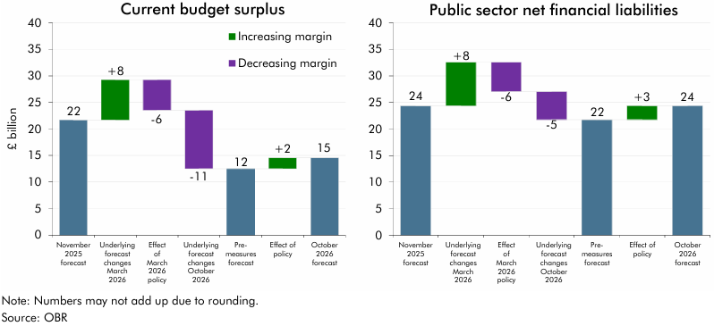

 | Current budget surplus | Margin | Public sector net financial liabilities | Margin
 | November 2025 forecast | 21.7 | November 2025 forecast | 24.4
 | Underlying forecast changes March 2026 | 7.6 | Underlying forecast changes March 2026 | 8.2
 | Effect of March 2026 policy | -5.7 | Effect of March 2026 policy | -5.5
 | Underlying forecast changes October 2026 | -11.1 | Underlying forecast changes October 2026 | -5.3
 | Pre-measures forecast | 12.5 | Pre-measures forecast | 21.8
 | Effect of policy | 2.0 | Effect of policy | 2.6
 | October 2026 forecast | 14.5 | October 2026 forecast | 24.4

C7.7
Back to contents
 | Chart 7.7: The probability of hitting the Government's fiscal mandate (right axis) and successive forecasts of the margin (left axis)
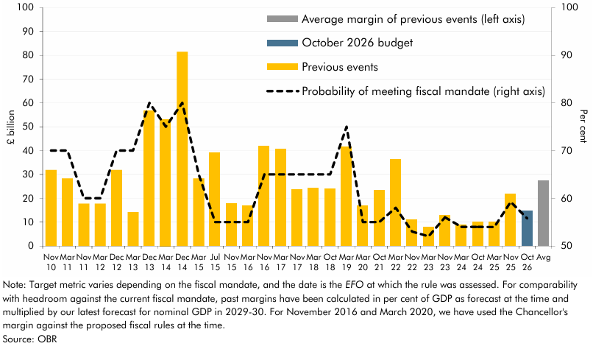

 | Date | Headroom (left axis) | Probability of meeting fiscal mandate (right axis)
 | Nov 10 | 31.9 | 70
 | Mar 11 | 28.3 | 70
 | Nov 11 | 17.7 | 60
 | Mar 12 | 17.7 | 60
 | Dec 12 | 31.9 | 70
 | Mar 13 | 14.2 | 70
 | Dec 13 | 56.7 | 80
 | Mar 14 | 53.1 | 75
 | Dec 14 | 81.5 | 80
 | Mar 15 | 28.3 | 65
 | Jul 15 | 39.0 | 55
 | Nov 15 | 17.7 | 55
 | Mar 16 | 16.9 | 55
 | Nov 16 | 41.8 | 65
 | Mar 17 | 40.6 | 65
 | Nov 17 | 23.5 | 65
 | Mar 18 | 24.3 | 65
 | Oct 18 | 24.0 | 65
 | Mar 19 | 41.5 | 75
 | Mar 20 | 16.8 | 55
 | Oct 21 | 23.3 | 55
 | Mar 22 | 36.2 | 58
 | Nov 22 | 11.1 | 53
 | Mar 23 | 7.8 | 52
 | Nov 23 | 13.0 | 56
 | Mar 24 | 8.9 | 54
 | Oct 24 | 9.9 | 54
 | Mar 25 | 9.9 | 54
 | Nov 25 | 21.7 | 59
 | Oct 26 | 14.5 | 56
 | Average headroom of previous events (left axis) | 27.2

C7.8
Back to contents
 | Chart 7.8: Successive forecasts for the current budget deficit

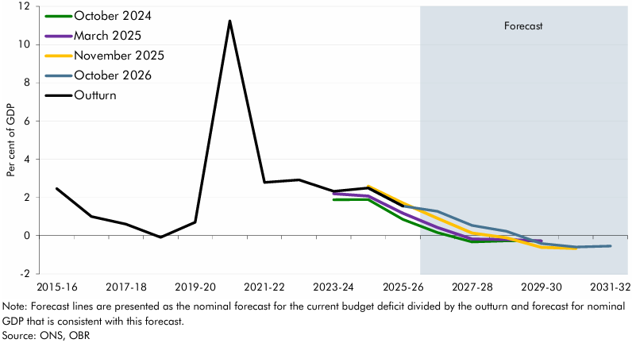

 | Successive forecasts for the current budget deficit | Outturn | October 2024 | March 2025 | November 2025 | October 2026
 | 2015-16 | 2.5
 | 2016-17 | 1.0
 | 2017-18 | 0.6
 | 2018-19 | -0.1
 | 2019-20 | 0.7
 | 2020-21 | 11.2
 | 2021-22 | 2.8
 | 2022-23 | 2.9
 | 2023-24 | 2.3 | 1.9 | 2.2
 | 2024-25 | 2.5 | 1.9 | 2.1 | 2.6
 | 2025-26 | 1.5 | 0.9 | 1.2 | 1.7 | 1.5
 | 2026-27 |  | 0.2 | 0.4 | 0.9 | 1.3
 | 2027-28 |  | -0.3 | -0.2 | 0.1 | 0.5
 | 2028-29 |  | -0.3 | -0.2 | -0.1 | 0.2
 | 2029-30 |  | -0.3 | -0.3 | -0.6 | -0.4
 | 2030-31 |  |  |  | -0.7 | -0.6
 | 2031-32 |  |  |  |  | -0.5

C7.A
Back to contents
 | Chart 7.A: Long-run UK debt dynamics: the growth-corrected interest rate and debt-stabilising primary balance
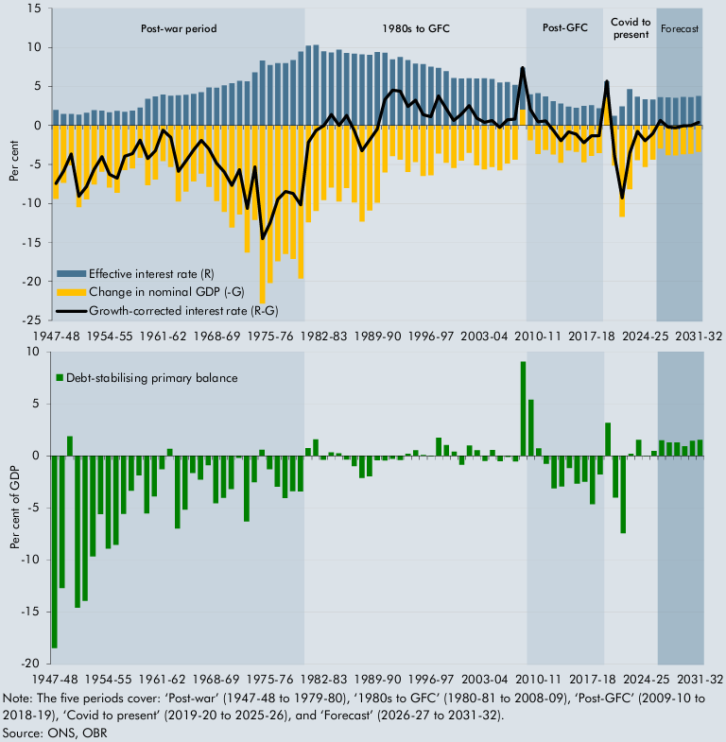

 | The growth-corrected interest rate | Per cent |  |  | Debt-stabilising primary balance | Per cent of GDP
 |  | R | G | R-G
 | 1947-48 | 2.0 | 9.4 | -7.5 | 1947-48 | -18.5
 | 1948-49 | 1.5 | 7.3 | -5.9 | 1948-49 | -12.7
 | 1949-50 | 1.5 | 5.1 | -3.7 | 1949-50 | 1.9
 | 1950-51 | 1.4 | 10.5 | -9.1 | 1950-51 | -14.6
 | 1951-52 | 1.6 | 9.5 | -7.8 | 1951-52 | -14.0
 | 1952-53 | 2.0 | 7.6 | -5.6 | 1952-53 | -9.7
 | 1953-54 | 1.9 | 5.9 | -4.0 | 1953-54 | -5.6
 | 1954-55 | 1.7 | 7.9 | -6.3 | 1954-55 | -8.9
 | 1955-56 | 1.9 | 8.6 | -6.8 | 1955-56 | -8.6
 | 1956-57 | 1.7 | 5.7 | -3.9 | 1956-57 | -5.6
 | 1957-58 | 1.9 | 5.5 | -3.6 | 1957-58 | -3.4
 | 1958-59 | 2.3 | 4.1 | -1.9 | 1958-59 | -1.9
 | 1959-60 | 3.4 | 7.7 | -4.2 | 1959-60 | -5.5
 | 1960-61 | 3.7 | 6.9 | -3.2 | 1960-61 | -3.9
 | 1961-62 | 4.0 | 4.6 | -0.6 | 1961-62 | -1.3
 | 1962-63 | 3.8 | 5.3 | -1.5 | 1962-63 | 0.7
 | 1963-64 | 3.9 | 9.7 | -5.9 | 1963-64 | -7.0
 | 1964-65 | 3.9 | 8.5 | -4.5 | 1964-65 | -5.2
 | 1965-66 | 4.1 | 7.2 | -3.1 | 1965-66 | -1.7
 | 1966-67 | 4.3 | 6.2 | -1.9 | 1966-67 | -2.3
 | 1967-68 | 4.9 | 7.9 | -3.0 | 1967-68 | -0.9
 | 1968-69 | 4.8 | 9.7 | -4.8 | 1968-69 | -4.6
 | 1969-70 | 5.1 | 11.1 | -6.0 | 1969-70 | -4.0
 | 1970-71 | 5.4 | 13.1 | -7.7 | 1970-71 | -3.2
 | 1971-72 | 5.7 | 11.4 | -5.7 | 1971-72 | -0.2
 | 1972-73 | 5.6 | 16.3 | -10.6 | 1972-73 | -6.3
 | 1973-74 | 6.8 | 12.1 | -5.3 | 1973-74 | -2.5
 | 1974-75 | 8.3 | 22.8 | -14.5 | 1974-75 | 0.6
 | 1975-76 | 7.7 | 20.2 | -12.5 | 1975-76 | -1.3
 | 1976-77 | 8.0 | 17.4 | -9.5 | 1976-77 | -3.0
 | 1977-78 | 8.0 | 16.5 | -8.5 | 1977-78 | -4.1
 | 1978-79 | 8.4 | 17.1 | -8.7 | 1978-79 | -3.4
 | 1979-80 | 9.5 | 19.6 | -10.2 | 1979-80 | -3.4
 | 1980-81 | 10.2 | 12.4 | -2.2 | 1980-81 | 0.7
 | 1981-82 | 10.3 | 10.9 | -0.6 | 1981-82 | 1.6
 | 1982-83 | 9.5 | 9.5 | 0.0 | 1982-83 | -0.4
 | 1983-84 | 9.3 | 8.0 | 1.4 | 1983-84 | 0.3
 | 1984-85 | 9.7 | 9.7 | 0.0 | 1984-85 | 0.2
 | 1985-86 | 9.3 | 8.0 | 1.3 | 1985-86 | -0.4
 | 1986-87 | 9.2 | 9.9 | -0.7 | 1986-87 | -1.0
 | 1987-88 | 9.1 | 12.3 | -3.2 | 1987-88 | -2.1
 | 1988-89 | 9.0 | 10.9 | -1.9 | 1988-89 | -2.0
 | 1989-90 | 9.4 | 9.9 | -0.5 | 1989-90 | -0.4
 | 1990-91 | 9.3 | 6.0 | 3.3 | 1990-91 | -0.5
 | 1991-92 | 8.4 | 3.9 | 4.5 | 1991-92 | -0.3
 | 1992-93 | 8.8 | 4.4 | 4.4 | 1992-93 | -0.4
 | 1993-94 | 8.4 | 6.0 | 2.4 | 1993-94 | 0.2
 | 1994-95 | 7.9 | 4.7 | 3.2 | 1994-95 | 0.5
 | 1995-96 | 7.9 | 6.5 | 1.4 | 1995-96 | 0.1
 | 1996-97 | 7.5 | 6.4 | 1.1 | 1996-97 | 0.0
 | 1997-98 | 7.4 | 3.6 | 3.8 | 1997-98 | 1.7
 | 1998-99 | 6.9 | 4.8 | 2.2 | 1998-99 | 1.0
 | 1999-00 | 6.1 | 5.5 | 0.6 | 1999-00 | 0.4
 | 2000-01 | 6.0 | 4.5 | 1.5 | 2000-01 | -0.9
 | 2001-02 | 6.1 | 3.5 | 2.5 | 2001-02 | 1.0
 | 2002-03 | 6.0 | 5.1 | 0.9 | 2002-03 | 0.5
 | 2003-04 | 6.0 | 5.6 | 0.4 | 2003-04 | -0.5
 | 2004-05 | 6.0 | 5.3 | 0.6 | 2004-05 | 0.5
 | 2005-06 | 5.5 | 5.7 | -0.2 | 2005-06 | -0.5
 | 2006-07 | 5.6 | 4.9 | 0.7 | 2006-07 | -0.1
 | 2007-08 | 5.2 | 4.4 | 0.8 | 2007-08 | -0.5
 | 2008-09 | 5.4 | -2.0 | 7.4 | 2008-09 | 9.1
 | 2009-10 | 4.0 | 1.9 | 2.1 | 2009-10 | 5.4
 | 2010-11 | 4.1 | 3.7 | 0.5 | 2010-11 | 0.7
 | 2011-12 | 3.7 | 3.1 | 0.6 | 2011-12 | -0.8
 | 2012-13 | 3.1 | 3.7 | -0.6 | 2012-13 | -3.1
 | 2013-14 | 2.8 | 4.8 | -2.0 | 2013-14 | -2.9
 | 2014-15 | 2.4 | 3.2 | -0.8 | 2014-15 | -1.2
 | 2015-16 | 2.3 | 3.4 | -1.1 | 2015-16 | -2.7
 | 2016-17 | 2.5 | 4.7 | -2.2 | 2016-17 | -2.5
 | 2017-18 | 2.6 | 3.9 | -1.3 | 2017-18 | -4.7
 | 2018-19 | 2.2 | 3.5 | -1.3 | 2018-19 | -1.8
 | 2019-20 | 2.0 | -3.6 | 5.7 | 2019-20 | 3.2
 | 2020-21 | 1.2 | 5.1 | -3.9 | 2020-21 | -4.0
 | 2021-22 | 2.4 | 11.7 | -9.3 | 2021-22 | -7.5
 | 2022-23 | 4.7 | 8.2 | -3.5 | 2022-23 | 0.2
 | 2023-24 | 3.7 | 4.4 | -0.8 | 2023-24 | 1.5
 | 2024-25 | 3.4 | 5.3 | -1.9 | 2024-25 | 0.0
 | 2025-26 | 3.3 | 4.4 | -1.1 | 2025-26 | 0.4
 | 2026-27 | 3.6 | 3.0 | 0.7 | 2026-27 | 1.5
 | 2027-28 | 3.6 | 3.8 | -0.2 | 2027-28 | 1.3
 | 2028-29 | 3.5 | 3.8 | -0.3 | 2028-29 | 1.3
 | 2029-30 | 3.7 | 3.7 | 0.0 | 2029-30 | 0.9
 | 2030-31 | 3.6 | 3.6 | 0.0 | 2030-31 | 1.4
 | 2031-32 | 3.8 | 3.4 | 0.4 | 2031-32 | 1.5

C7.9
Back to contents
 | Chart 7.9: Sensitivities of the current budget deficit to changes in selected variables

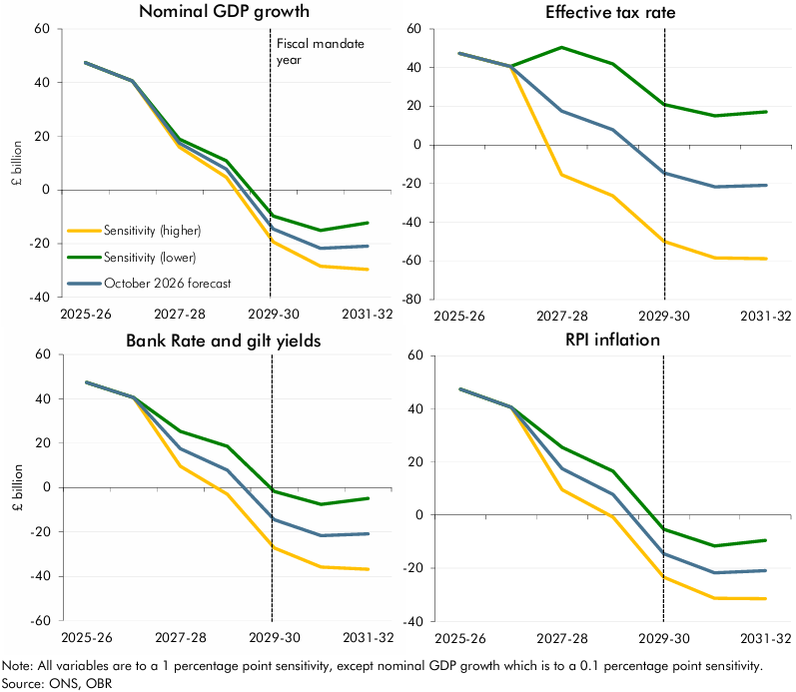

 | Nominal GDP growth (0.1 ppt) | October 2026 forecast | Sensitivity (higher) | Sensitivity (lower) | Effective tax rate (1 ppt) | October 2026 forecast | Sensitivity (higher) | Sensitivity (lower) | Gilt yields (1 ppt) | October 2026 forecast | Sensitivity (higher) | Sensitivity (lower) | RPI inflation (1 ppt) | October 2026 forecast | Sensitivity (higher) | Sensitivity (lower)
 | 2025-26 | 47.4 |  |  | 2025-26 | 47.4 |  |  | 2025-26 | 47.4 |  |  | 2025-26 | 47.4
 | 2026-27 | 40.6 |  |  | 2026-27 | 40.6 |  |  | 2026-27 | 40.6 |  |  | 2026-27 | 40.6
 | 2027-28 | 17.5 | 16.0 | 19.0 | 2027-28 | 17.5 | -15.4 | 50.4 | 2027-28 | 17.5 | 25.4 | 9.7 | 2027-28 | 17.5 | 25.5 | 9.6
 | 2028-29 | 7.8 | 4.7 | 10.9 | 2028-29 | 7.8 | -26.3 | 41.9 | 2028-29 | 7.8 | 18.6 | -3.0 | 2028-29 | 7.8 | 16.5 | -0.8
 | 2029-30 | -14.5 | -19.3 | -9.7 | 2029-30 | -14.5 | -50.0 | 20.9 | 2029-30 | -14.5 | -1.8 | -27.3 | 2029-30 | -14.5 | -5.4 | -23.4
 | 2030-31 | -21.7 | -28.4 | -15.1 | 2030-31 | -21.7 | -58.4 | 15.0 | 2030-31 | -21.7 | -7.6 | -35.8 | 2030-31 | -21.7 | -11.7 | -31.3
 | 2031-32 | -20.9 | -29.5 | -12.3 | 2031-32 | -20.9 | -58.9 | 17.1 | 2031-32 | -20.9 | -4.9 | -36.9 | 2031-32 | -20.9 | -9.5 | -31.5

C7.10
Back to contents
 | Chart 7.10: Scenario oil and gas prices

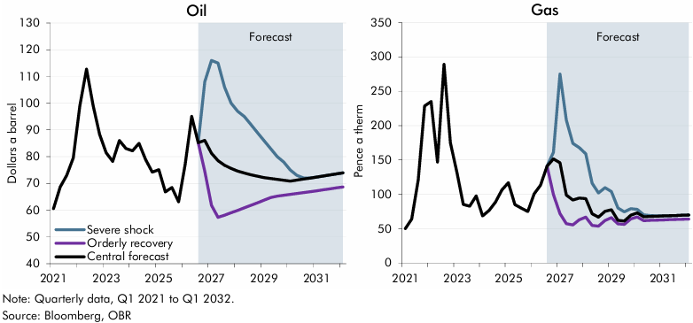

 | Oil | October 2026 central forecast | Severe shock | Orderly recovery | Gas | October 2026 central forecast | Severe shock | Orderly recovery
 | 2021Q1 | 60.6 |  |  | 2021Q1 | 50.0
 | 2021Q2 | 68.6 |  |  | 2021Q2 | 64.0
 | 2021Q3 | 73.0 |  |  | 2021Q3 | 121.0
 | 2021Q4 | 79.6 |  |  | 2021Q4 | 228.6
 | 2022Q1 | 99.0 |  |  | 2022Q1 | 235.0
 | 2022Q2 | 112.7 |  |  | 2022Q2 | 147.0
 | 2022Q3 | 99.2 |  |  | 2022Q3 | 289.1
 | 2022Q4 | 88.4 |  |  | 2022Q4 | 174.9
 | 2023Q1 | 81.4 |  |  | 2023Q1 | 131.7
 | 2023Q2 | 78.2 |  |  | 2023Q2 | 85.2
 | 2023Q3 | 86.0 |  |  | 2023Q3 | 82.6
 | 2023Q4 | 83.1 |  |  | 2023Q4 | 97.5
 | 2024Q1 | 82.2 |  |  | 2024Q1 | 68.5
 | 2024Q2 | 84.9 |  |  | 2024Q2 | 76.6
 | 2024Q3 | 79.0 |  |  | 2024Q3 | 88.4
 | 2024Q4 | 74.2 |  |  | 2024Q4 | 106.6
 | 2025Q1 | 75.1 |  |  | 2025Q1 | 116.9
 | 2025Q2 | 66.8 |  |  | 2025Q2 | 85.0
 | 2025Q3 | 68.5 |  |  | 2025Q3 | 79.9
 | 2025Q4 | 63.1 |  |  | 2025Q4 | 75.0
 | 2026Q1 | 77.0 |  |  | 2026Q1 | 100.7
 | 2026Q2 | 95.0 |  |  | 2026Q2 | 113.3
 | 2026Q3 | 85.2 | 85.2 | 85.2 | 2026Q3 | 140.9 | 140.9 | 140.9
 | 2026Q4 | 86.1 | 108.0 | 74.6 | 2026Q4 | 151.5 | 161.0 | 99.7
 | 2027Q1 | 81.3 | 116.0 | 61.8 | 2027Q1 | 145.9 | 275.0 | 71.8
 | 2027Q2 | 78.5 | 115.0 | 57.3 | 2027Q2 | 98.9 | 208.0 | 57.2
 | 2027Q3 | 76.8 | 106.0 | 58.1 | 2027Q3 | 91.6 | 174.0 | 55.5
 | 2027Q4 | 75.6 | 100.0 | 59.0 | 2027Q4 | 94.4 | 168.0 | 62.9
 | 2028Q1 | 74.6 | 97.0 | 59.9 | 2028Q1 | 93.6 | 159.0 | 66.8
 | 2028Q2 | 73.9 | 95.0 | 60.9 | 2028Q2 | 71.6 | 116.0 | 54.7
 | 2028Q3 | 73.2 | 92.0 | 61.8 | 2028Q3 | 66.8 | 102.0 | 53.7
 | 2028Q4 | 72.7 | 89.0 | 62.7 | 2028Q4 | 75.2 | 109.5 | 61.9
 | 2029Q1 | 72.2 | 86.0 | 63.7 | 2029Q1 | 77.5 | 104.0 | 66.0
 | 2029Q2 | 71.9 | 83.0 | 64.7 | 2029Q2 | 62.1 | 80.0 | 57.0
 | 2029Q3 | 71.5 | 80.0 | 65.2 | 2029Q3 | 61.0 | 74.5 | 56.1
 | 2029Q4 | 71.1 | 78.0 | 65.6 | 2029Q4 | 69.7 | 79.0 | 64.0
 | 2030Q1 | 70.9 | 75.0 | 65.9 | 2030Q1 | 73.0 | 78.0 | 67.1
 | 2030Q2 | 71.2 | 73.0 | 66.2 | 2030Q2 | 67.3 | 70.0 | 61.7
 | 2030Q3 | 71.6 | 72.0 | 66.5 | 2030Q3 | 67.7 | 69.0 | 62.0
 | 2030Q4 | 72.0 | 72.0 | 66.9 | 2030Q4 | 68.0 | 68.5 | 62.3
 | 2031Q1 | 72.4 | 72.4 | 67.2 | 2031Q1 | 68.4 | 68.4 | 62.6
 | 2031Q2 | 72.8 | 72.8 | 67.6 | 2031Q2 | 68.8 | 68.8 | 63.0
 | 2031Q3 | 73.1 | 73.1 | 68.0 | 2031Q3 | 69.1 | 69.1 | 63.3
 | 2031Q4 | 73.5 | 73.5 | 68.3 | 2031Q4 | 69.5 | 69.5 | 63.6
 | 2032Q1 | 73.9 | 73.9 | 68.6 | 2032Q1 | 69.9 | 69.9 | 64.0

C7.11
Back to contents
 | Chart 7.11: Severe shock scenario CPI inflation and real GDP growth

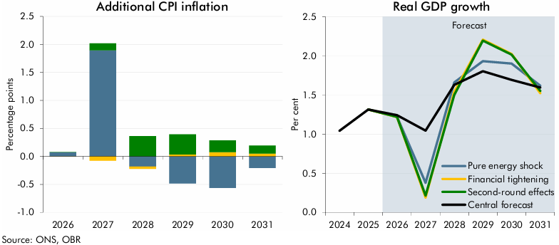

 | Additional CPI inflation | Pure energy shock | Financial tightening | Second-round effects | Real GDP growth | October 2026 central forecast | Pure energy shock | Financial tightening | Second-round effects
 | 2026 | 0.1 | 0.0 | 0.0 | 2024 | 1.0
 | 2027 | 1.9 | -0.1 | 0.1 | 2025 | 1.3
 | 2028 | -0.2 | 0.0 | 0.4 | 2026 | 1.2 | 1.2 | 1.2 | 1.2
 | 2029 | -0.5 | 0.0 | 0.4 | 2027 | 1.0 | 0.4 | 0.2 | 0.2
 | 2030 | -0.6 | 0.1 | 0.2 | 2028 | 1.6 | 1.7 | 1.5 | 1.5
 | 2031 | -0.2 | 0.1 | 0.1 | 2029 | 1.8 | 1.9 | 2.2 | 2.2
 |  |  |  |  | 2030 | 1.7 | 1.9 | 2.0 | 2.0
 |  |  |  |  | 2031 | 1.6 | 1.6 | 1.5 | 1.6

C7.12
Back to contents
 | Chart 7.12: Severe shock scenario borrowing relative to central forecast

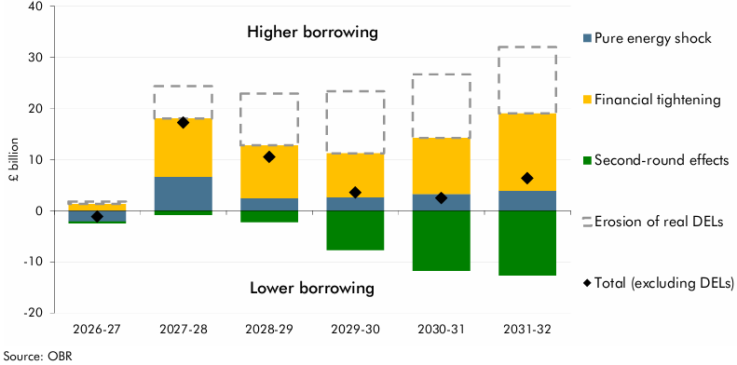

 |  | Pure energy shock | Financial tightening | Second-round effects | Erosion of real DELs | Total (excluding DELs)
 | 2026-27 | -2.1 | 1.3 | -0.4 | 0.5 | -1.2
 | 2027-28 | 6.6 | 11.4 | -0.8 | 6.3 | 17.2
 | 2028-29 | 2.4 | 10.4 | -2.2 | 10.1 | 10.5
 | 2029-30 | 2.6 | 8.6 | -7.7 | 12.1 | 3.5
 | 2030-31 | 3.3 | 11.0 | -11.8 | 12.4 | 2.5
 | 2031-32 | 3.9 | 15.1 | -12.7 | 13.0 | 6.3

C7.13
Back to contents
 | Chart 7.13: Orderly recovery scenario CPI inflation and real GDP growth

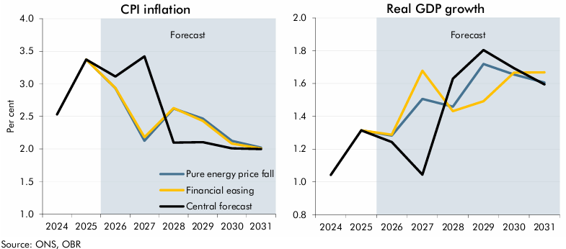

 | CPI inflation | October 2026 central forecast | Pure energy price fall | Financial easing | Real GDP growth | October 2026 central forecast | Pure energy price fall | Financial easing
 | 2024 | 2.5 |  |  | 2024 | 1.0
 | 2025 | 3.4 |  |  | 2025 | 1.3
 | 2026 | 3.1 | 2.9 | 2.9 | 2026 | 1.2 | 1.3 | 1.3
 | 2027 | 3.4 | 2.1 | 2.2 | 2027 | 1.0 | 1.5 | 1.7
 | 2028 | 2.1 | 2.6 | 2.6 | 2028 | 1.6 | 1.5 | 1.4
 | 2029 | 2.1 | 2.5 | 2.4 | 2029 | 1.8 | 1.7 | 1.5
 | 2030 | 2.0 | 2.1 | 2.1 | 2030 | 1.7 | 1.7 | 1.7
 | 2031 | 2.0 | 2.0 | 2.0 | 2031 | 1.6 | 1.6 | 1.7

C7.14
Back to contents
 | Chart 7.14: Orderly recovery scenario borrowing relative to central forecast

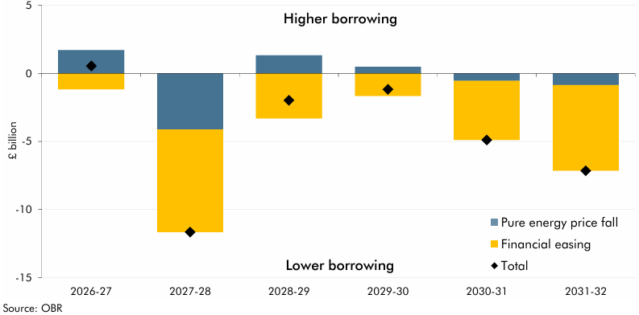

 |  | Pure energy price fall | Financial easing | Total
 | 2026-27 | 1.7 | -1.2 | 0.6
 | 2027-28 | -4.1 | -7.5 | -11.7
 | 2028-29 | 1.3 | -3.3 | -2.0
 | 2029-30 | 0.5 | -1.7 | -1.2
 | 2030-31 | -0.5 | -4.3 | -4.9
 | 2031-32 | -0.9 | -6.3 | -7.2

